DID(D076) Mgmt
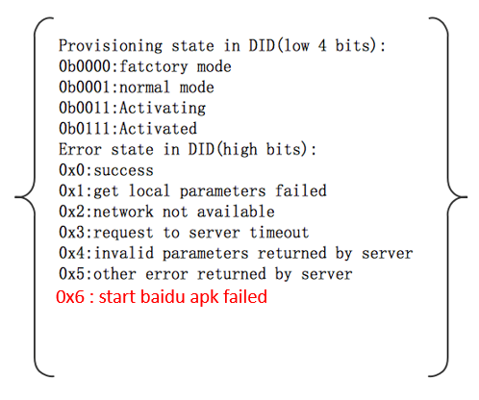
 | low 4 bits | high 4 bits | Comments
0x00 | Supplier Mode | Success | Default Value

0x01 | Normal Mode | Success | DuerOS starts to connect with internet
0x11 | Normal Mode | Get local parameters failed | AHU internal defect
0x21 | Normal Mode | Network not available | Network not available
0x31 | Normal Mode | Request to server timeout | Baidu cloud related incidents occurred
0x41 | Normal Mode | Invalid parameters returned by server | Baidu cloud related incidents occurred
0x51 | Normal Mode | Other error returned by server | Baidu cloud related incidents occurred
0x61 | Normal Mode | Start baidu apk failed | AHU internal defect

0x03 | Activating | Success | DuerOS is provisioning
0x13 | Activating | Get local parameters failed | AHU internal defect
0x23 | Activating | Network not available | Network not available
0x33 | Activating | Request to server timeout | Baidu cloud related incidents occurred
0x43 | Activating | Invalid parameters returned by server | Baidu cloud related incidents occurred
0x53 | Activating | Other error returned by server | Baidu cloud related incidents occurred
0x63 | Activating | Start baidu apk failed | AHU internal defect

0x07 | Activated | Success | DuerOS provisioned successfully
0x17 | Activated | Get local parameters failed | AHU internal defect
0x27 | Activated | Network not available | Network not available
0x37 | Activated | Request to server timeout | Baidu cloud related incidents occurred
0x47 | Activated | Invalid parameters returned by server | Baidu cloud related incidents occurred
0x57 | Activated | Other error returned by server | Baidu cloud related incidents occurred
0x67 | Activated | Start baidu apk failed | AHU internal defect

